Model Fit
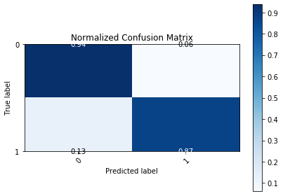
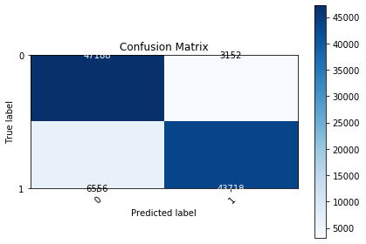
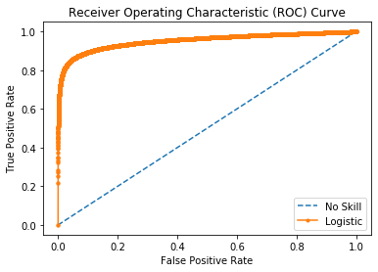
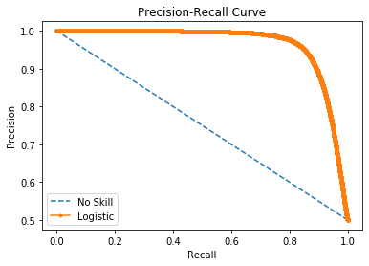

Logistic Area Under Curve | 0.95204032913 | Logistic Area Under Curve | 0.96428177408
No Skill Area Under Curve | 0.5 | Logistic F1 | 0.90006588158
Optimal Threshold | 0.56410809248 | No Skill Area Under Curve | 0.74983600692
 |  | No Skill F1 | 0
 |  | Best Threshold (F1) | 0.54

